Introduction
Introduction

Overview
The goal of this analysis is to calculate carbon footprint estimates for your business for 2023-24.
We are doing this with all members of the e2e network so that the total footprint of the network can be understood.
Data collection for 2023-24 has been expanded to include more of the company's value chain (scope 3 emissions).

For more detail on emissions scopes, please see the section below 'What is a Carbon footprint?' and the document 'e2e carbon reporting guidance'.

Tab colour legend:
Data has been required in previous year
New data types required for 2023-24

Each sheet contains guidance as to what kind of data is required, highlighted in green boxes.
Enter your data in the blue boxes. Some are drop-down selections.

Please note that the company vehicles and machinery methodology has been updated for 2023-24.

What is a Carbon footprint?
“Carbon footprint” is a term used to describe the climate warming impacts of greenhouse gases (GHGs) released into the atmosphere because of processes and activities. Because the different GHGs (including carbon dioxide, methane, nitrous oxides and sulphur oxides) have different levels of climate-warming effect, the term “carbon dioxide equivalent” is used to normalise them all in terms of the impacts of carbon dioxide.
An organisational carbon footprint typically encompasses the majority (ideally all) sources of GHG emissions released because of company activities, along with the goods and services consumed, within a 12-month period.
Emissions are classed into three main categories, “Scopes”, depending on where they occur in the value chain (Figure 1).
· Scope 1 refers to GHG emissions released from activities occurring on company premises, for example the burning of fuels, refrigerant leaks, and process emissions.
· Scope 2 emissions occur off-site, indirectly because of the burning of fuels for generating electricity and district heat and steam consumed by the reporting company.
· Scope 3 emissions encompass all other sources of indirect emissions, from the supply chain (upstream) and past the point of sale (downstream). All goods and services, tangible and intangible, procured by organisations for their operations have an associated carbon footprint, as emissions are released during activities such as the extraction of raw materials, manufacture of goods, and the running of suppliers’ offices. For many organisations, supply chain Scope 3 emissions dwarf operational scope 1 and 2. For some industries, downstream Scope 3 emissions may also be relevant, as they cover activities such as product processing, use, and end-of-life treatment. Companies with investments or franchises may also consider their downstream Scope 3 impacts.
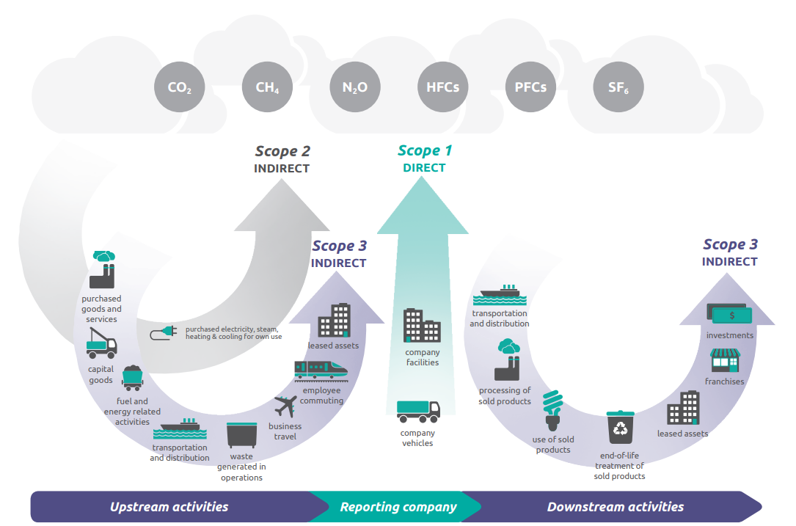

Image credit: Greenhouse Gas Protocol

Company vehicles or machinery
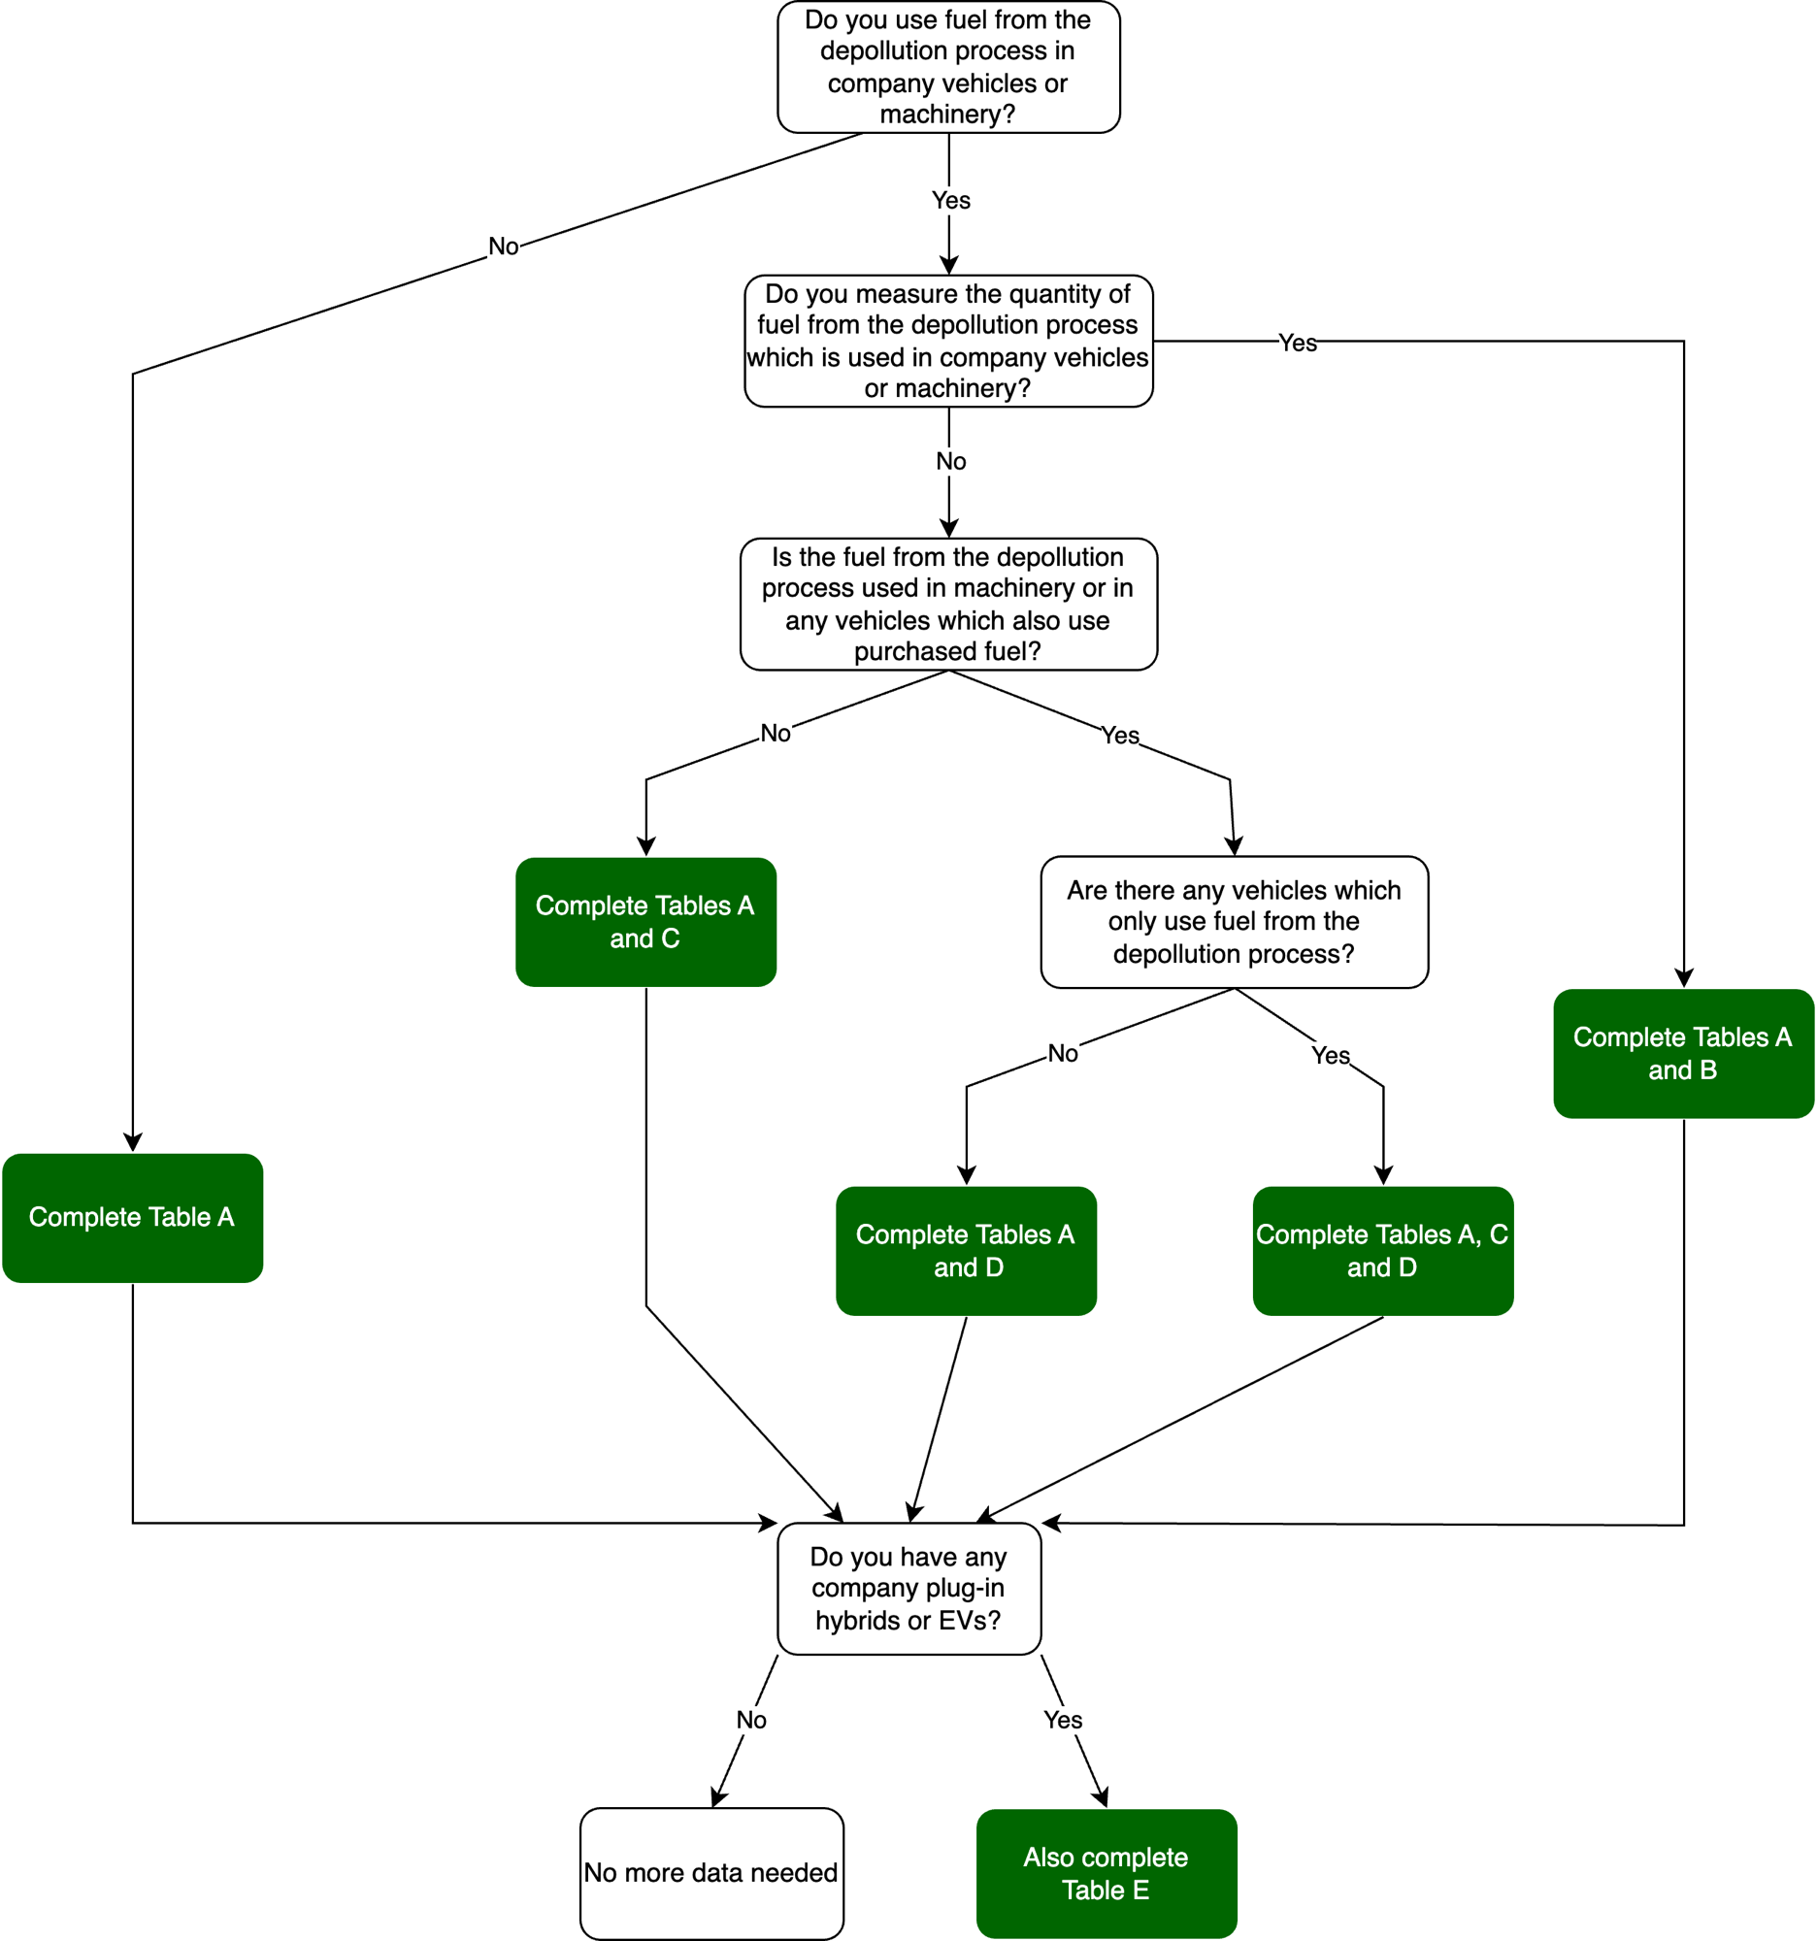
Fuel use in company vehicles or machinery (including from depollution)

Please enter fuel use for all vehicles and machinery owned by the company, on a volume or mileage basis. Please do not enter volume and mileage relating to the same vehicles.

FOLLOW THE INSTRUCTIONS BENEATH EACH OF THE TABLES. USE THE FLOWCHART IF THAT'S HELPFUL

Company electric vehicle use is covered on a mileage basis, along with an estimate of the percentage of charging which is carried out at the business premises. Vehicle charging at business premises, where this is included in electricity usage figures given in the premises sheet, can then be ignored to avoid double-counting.

Data start date | 2023-10-01
Data end date | 2024-09-30

Table A: Fuel usage - purchased fuel
ALL TO COMPLETE

Fuel type | Litres purchased
LPG
Regular diesel | 28000
Regular petrol

Table B: Fuel usage - MEASURED fuel from the depollution process
COMPLETE IF DEPOLLUTION FUEL IS USED IN COMPANY VEHICLES OR MACHINERY AND VOLUMES ARE KNOWN

Fuel type | Litres used

Table C: Fuel usage - mileage basis
COMPLETE FOR ANY VEHICLES WHICH ONLY USE DEPOLLUTION FUEL

Category | Type | Unit | Mileage
Cars | Petrol | miles
 | Diesel | miles
 | Mild hybrid | miles

Category | Type | Unit | Mileage | Fuel type
Vans | Class I (up to 1.305 tonnes) | miles
 | Class II (1.305 to 1.74 tonnes) | miles
 | Class III (1.74 to 3.5 tonnes) | miles
 | Average (up to 3.5 tonnes) | miles

Category | Type | Unit | Mileage
HGV (all diesel) | Rigid (>3.5 - 7.5 tonnes) | miles
 | Rigid (>7.5 tonnes-17 tonnes) | miles
 | Rigid (>17 tonnes) | miles
 | All rigids | miles
 | Articulated (>3.5 - 33t) | miles
 | Articulated (>33t) | miles
 | All artics | miles
 | All HGVs | miles

Table D: Fuel usage - ESTIMATED fuel from the depollution process
COMPLETE IF DEPOLLUTION FUEL IS USED IN COMPANY MACHINERY AND/OR MIXED WITH PURCHASED FUEL IN COMPANY VEHICLES

Fuel type | Litres used |  |  | This should be estimated based on some basic monitoring, e.g. how much fuel are you using each day? Alternatively, if all or most of the fuel from the depollution process is used in company vehicles or machinery, you could total all vehicles dismantled and multiply by 10 litres (estimate from HSE*).
Diesel (100% mineral diesel) | 9220
Regular petrol | 1140

* https://www.hse.gov.uk/waste/dismantling.htm

Table E: Electric and plug-in hybrid company vehicles
COMPLETE IF THE COMPANY OWNS ANY FULL ELECTRIC OR PLUG-IN HYBRID VEHICLES

Category | Type | Unit | Mileage | Approximate percentage of charging carried out away from business premises
Cars | Plug-in hybrid | miles
 | Full electric | miles
Vans | Plug-in hybrid | miles
 | Full electric | miles

Cloud Computing
Cloud computing

Data start date | 2023-10-01
Data end date | 2024-09-30

Cloud computing providers are increasingly providing tools to facilitate estimations of emissions associated with the use of their services. Those known to date are listed below

 | Results (tonnes (CO2e)
Google Cloud Carbon Footprint Tool
Microsoft Emissions Impact Dashboard
 | 0.0240

An example of the Microsoft Emissions Impact Dashboard is shown below. Note that you need to select the 'Overview' tab and total the Scope 1, 2 and 3 emissions. In this case, total emissions are 0.132 tCO2e

